Hydrogen Calculations
Hydrogen Properties (Hydrogen Analysis Resource Center: Lower and Higher Heating Values of Hydrogen and Fuels)

Fuels |  | Lower Heating Value (LHV) [1] |  |  |  | Higher Heating Value (HHV) [1] |  |  |  | Density
Gaseous Fuels @ 32 F and 1 atm |  | Btu/ft3 [2] | Btu/lb [3] | MJ/kg [4] |  | Btu/ft3 [2] | Btu/lb [3] | MJ/kg [4] |  | grams/ft3
Natural gas |  | 983 | 20,267 | 47.141 |  | 1089 | 22,453 | 52.225 |  | 22.0
Hydrogen |  | 290 | 51,682 | 120.21 |  | 343 | 61,127 | 142.18 |  | 2.55
Still gas (in refineries) |  | 1458 | 20,163 | 46.898 |  | 1,584 | 21,905 | 50.951 |  | 32.8

Historical Hydrogen Demand
Sector | EPS Sector | 2022 Total H2 Demand (MMT/year) | 2022 Total H2 Demand (BTU/year)
Refining | refined petroleum and coke 19 | 6.5 | 8.7596259626E+14
Ammonia | chemicals 20 | 2.7 | 3.6386138614E+14
Methanol | chemicals 20 | 1.6 | 2.1562156216E+14
Chemicals | chemicals 20 | 0.4 | 5.3905390539E+13
Electronics | computers and electronics 26 | 0.026 | 3.503850385E+12
Metals | iron and steel 241 | 0.06 | 8.0858085809E+12
Food | food beverage and tobacco 10T12 | 0.005 | 6.7381738174E+11
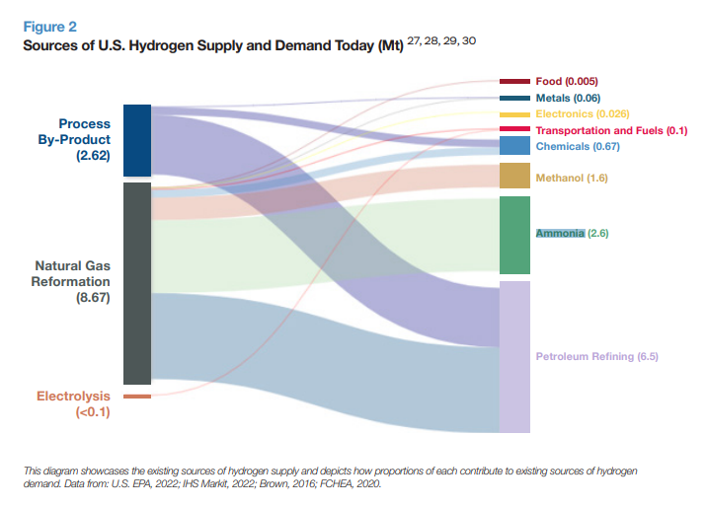

Refinery Calculations
2019 | 2020 | 2021
77600 | 75161 | 76918 | Refinery and Blender Net Input of H2 (1000 barrels) | https://www.eia.gov/dnav/pet/pet_pnp_inpt_a_EPOOOH_yir_mbbl_a.htm
6.287 | 6.287 | 6.287 | Energy content per barrel (MMBtu) | https://www.eia.gov/totalenergy/data/monthly/pdf/sec12.pdf
487871200000000 | 472537207000000 | 483583466000000 | Refinery and Blender Net Input of H2 (btu)
199050 | 171738 | 163294 | Natural gas used as feedstock for H2 production at refineries (MCF) | https://www.eia.gov/dnav/pet/pet_pnp_feedng_k_a.htm
1037000000 | 1037000000 | 1037000000 | Energy content per MCF NG
206414850000000 | 178092306000000 | 169335878000000 | Natural gas used as feedstock
0.72 | 0.72 | 0.72 | NG->H2 converison efficiency | https://www.nrel.gov/docs/fy14osti/60528.pdf
148618692000000 | 128226460320000 | 121921832160000 | H2 produced onsite
0.23349733259 | 0.21343910642 | 0.20135551667 | Share of H2 produced onsite

Natural Gas as Feedstock
Sector | EPS Sector | H2 Demand (MMT/year) | H2 Demand (BTU/year) | Refineries |  | Non-Refineries |  |  | Natural Gas Feedstock Consumption (BTU/year) | Net H2 Demand (BTU)
 |  |  |  | 2021 Natural Gas Feedstock Consumption from EIA (BTU/year) | Net H2 Demand (BTU) | Captive Production (MMT/year) | Captive Production (BTU/year) | Merchant Production (BTU/year)
Refining | refined petroleum and coke 19 | 6.5 | 636489892000000 | 206414850000000 | 487871200000000 | 3.5 | 4.7167216722E+14 | 1.6481772478E+14 | 206414850000000 | 487871200000000
Ammonia | chemicals 20 | 2.7 | 3.6386138614E+14 | 0 | 3.6386138614E+14 | 1.65 | 2.2235973597E+14 | 1.4150165017E+14 | 2.2235973597E+14 | 1.4150165017E+14
Methanol | chemicals 20 | 1.6 | 2.1562156216E+14 | 0 | 2.1562156216E+14 | 0.27 | 3.6386138614E+13 | 1.7923542354E+14 | 3.6386138614E+13 | 1.7923542354E+14
Metal Processing | iron and steel 241 | 0.2 | 2.695269527E+13 | 0 | 2.695269527E+13 | 0.093333333333 | 1.2577924459E+13 | 1.437477081E+13 | 1.2577924459E+13 | 1.437477081E+13
Other | chemicals 20 | 0.4 | 5.3905390539E+13 | 0 | 5.3905390539E+13 | 0.18666666667 | 2.5155848918E+13 | 2.8749541621E+13 | 2.5155848918E+13 | 2.8749541621E+13

Assumptions
1037 | btu/cubic foot natural gas | https://www.eia.gov/tools/faqs/faq.php?id=45&t=8#:~:text=In%202020%2C%20the%20U.S.%20annual,103%2C700%20Btu%2C%20or%201.037%20therms.
37.23 | cubic foot of gas per cubic meter of H2 | https://www.epa.gov/sites/default/files/2015-02/documents/subpartp-tsd_hydrogenproduction.pdf
35.3147 | cubic feet per cubic meter
72% | Conversion efficiency | https://www.nrel.gov/docs/fy14osti/60528.pdf

